no_MALDI_ID PCR_candidates
MALDI "NO ID" (initial ID) |  | Associated with an IMI? | SCC
BJ041 | Corynebac | yes; 739 RH second | 13,000
BJ042 | CNS | yes; 693 LH second | 8,000 |  | BJ041
BJ058 | Corynebac | yes; 741 RH third | 36,000 |  | BJ058
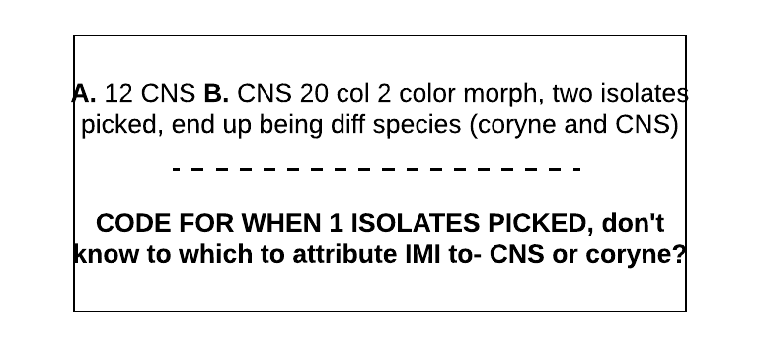
BJ066 | ? | yes; 693 LF third | 37,000 |  | BW075
 |  |  |  |  | BW154
BW034 | Corynebac | unclear, see right; Love RH first | 13,000 |  | CF087
BW075 | Strep | yes, mixed with CNS; Pomme RH second | 230,000 |  | CF126
BW154 | ? | yes; Gabrielle RF third | 8,000 |  | CF145
 |  |  |  |  | CF155
CF007 | CNS | yes, mixed with strep; 66 RH first | 5,000 |  | CF166
CF087 | CNS | yes,; 54 LH second | 18,000 |  | LF013
CF126 | Corynebac | yes; 74 RH second | 77,000 |  | LF020
CF133 | ? | yes; 35 RH second | 6,000 |  | OB060
CF145 | Corynebac | yes; 32 LF third | 1,100,000 |  | PB041
CF152 | Corynebac | yes; 12 LH third | 19,000 |  | PB087
CF155 | Corynebac | yes; 74 RH third | 43,000 |  | SP002
CF166 | Corynebac | yes, mixed with strep; 86 RH third | 120,000 |  | VT036
CF193 | ? | yes; 57 LH fourth | 18,000 | GX2-9P4-RSS-QZQ | VT083
CF217 | Corynebac | no, contam; 74 RH fourth |  |  | VT105
 |  |  |  |  | BJ042 | Yes! Wouldn't align, but both F and R sequences give same ID | 16S | Acinetobacter gandensis
GV071 | Strep | yes, mixed with next isolate; 42 LH second | 4,000,000 |  | BJ066 | Yes! Only R sequence worked, but… | 16S | Acinetobacter gandensis
GV072 | ? | yes, mixed with prev. isolate; 42 LH second | 4,000,000 |  | BW034 | Yes! Only F sequence worked, but… | 16S | Corynebacterium sp.
GV089 | CNS | yes; 207 LH second | 66,000 |  | CF007 | Yes? Closely enough… either 1 of 2 diff things which both F and R matched to | 16S | Arthobacter or Citricoccus
GV136 | CNS | yes; 207 LH third | 111,000 |  | CF133 | Yes! Only F sequence worked, but… | 16S | Acinetobacter gandensis
 |  |  |  |  | CF152 | Yes! Only R sequence worked, but… ID'd as either Coryne sp. or uncultured bac | 16S | Corynebacterium sp.?
LF013 | CNS | yes; Jitterbug LH first | 6,000 |  | CF193 | Yes! Wouldn't align, but both F and R sequences give same ID | 16S | Microbacterium species
LF015 | CNS | yes; Lilac RH first | 20,000 |  | GV071 | Yes! Only F sequence worked, but… | 16S | Strep. uberis
LF019 | Strep | yes; Amarillo LH first | 61,000 |  | GV072 | Yes! Well, one sequence = Empedobacter and 1 "uncultured bacterium"… | 16S | ?"Uncultured bacterium"?
LF020 | CNS | yes; Amarillo LF first | 7,000 |  | GV089 | Yes! Almost… ID'd as Staph. cohnii, but undergoing confirmation by tuf | rpoB | Staph. cohnii
LF027 | CNS | no; Lovage RH first | 970,000 |  | GV136 | Yes! Almost… ID'd as Staph. cohnii, but undergoing confirmation by tuf | rpoB | Staph. cohnii
LF067 | CNS | yes; Chaloopa RH second | 100,000 |  | LF015 | Yes! Almost… ID'd as Staph. chromogenes, but undergoing confirmation by tuf | 16S | Staph. chromogenes
LF079 | CNS | yes; Lilac RH second | 21,000 |  | LF019 | Yes! Almost… ID'd as Staph. chromogenes, but undergoing confirmation by tuf | 16S | Staph. chromogenes
 |  |  |  |  | LF067 | Yes! Almost… ID'd as Staph. chromogenes, but undergoing confirmation by tuf | 16S | Staph. chromogenes
OB016 | Corynebac | yes, mixed with strep; Peonie RH first | 8,000 |  | LF079 | Yes! Almost… ID'd as Staph. chromogenes, but undergoing confirmation by tuf | 16S | Staph. chromogenes
OB031 | CNS | yes; Spice LH first | 34,000 |  | OB016 | Yes! Almost… ID'd as Staph. agnetis, but undergoing confirmation by tuf | rpoB | Staph. agnetis
OB035 | CNS | no; Whinnie LF first | 6,000 |  | OB031 | Yes! Only one direction of rpoB sequenced well, but good enough…? | rpob | Strep. uberis
OB060 | Corynebac | yes; Teach LF second | 6,000 |  | PB063 | Yes! Wouldn't align, but both F and R sequences give same ID | 16S | Corynebacterium sp.
OB139 | Gramneg.noncoli | no, contam; Kooper RH third | 30,000 |  | VT029 | Yes! Almost… ID'd as M. flueretti, but undergoing confirmation by tuf | 16S | M. fleuretti
 |  |  |  |  | VT035 | Yes! Both F and R sequence called same thing, even though they wouldn't align | 16S | "Uncultured bacterium"
PB041 | CNS | yes; Marney382 LH second | 26,000 |  | VT064 | Yes! Almost… ID'd as M. flueretti, but undergoing confirmation by tuf | rpoB | M. fleuretti
PB063 | Corynebac | yes; Champne25 RH third | 0
PB065 | Corynebac | no, contam; GloryBe29 LH third | 13,000
PB087 | CNS | yes, mixed with strep; Marney 382 RH third | 72,000

SP002 | CNS | yes; Zag LF first | 10,000

VT029 | CNS | yes; Imogene LH first | 2,000
VT035 | ? | yes, Lena RH second | 6,000
VT036 | CNS | yes, Lena RF second | 8,000
VT064 | Corynebac | yes; Vera RF third | 10,000
VT083 | CNS | yes; Tilly LH third | 25,000
VT102 | CNS | no (sampling error, disclude); Gloria LH third | 6,000
VT105 | Corynebac | unclear, see right; Abigail LF third | 200,000

